Definitions
Subsystem TVS - Equipment classes & instances

Definitions

1-Class List
Column Class | Column Name | Column Description | Values
 | Revision | Identifiy the IO revision in witch the information was added , deleted or modified | version (string)
 | isAComment | Specify whether the line is a comment or not | Y or N
EQUIPMENT CLASSES
 | System | Define the trigram of the system's name in which the equipment is included | XXX
 | Sub-system | Define the trigram of the sub-system's name in which the equipment is included | XXX
 | Class name | Short equipment name on XXX characters number (minimum 3 characters - maximum 12 characters)
 | CSS Point Name | Normalized name, used within the SCADA

EXTERNAL SYSTEM DATA
 | Point Name | Name of equipment point from supplier
 | Point Description | Any useful documentation on the point
 | Point Type | Point can be qualified as Event or Alarm. Hence, supported values are | Operational event
 |  |  | Operational alarm
 |  |  | Technical alarm
 |  |  | Meter
 |  |  | Command

 | Interface To | Identifies the target subsystem which can be: | daily
 |  |  | weekly

 | Data Type | Digital Input | DI | 1 | bit
 |  |  | DI2 | 2 | bits
 |  | Digital Output | DO | 1 | bits
 |  |  | DO2 | 2 | bits
 |  | Analog Input | AI | 16 | bits
 |  |  | AI2 | 32 | bits
 |  | Analog Output | AO | 16 | bits
 |  |  | AO2 | 32 | bits
EXTERNAL SYSTEM DATA DETAILS
 | SIL Level | Identify the SIL level for the equipment point which can be | SIL0
 |  |  | SIL2_Monitoring
 |  |  | SIL2_Control

 | Protocol | Applicable protocol: may be Modbus or IEC104
 | Operation code | Operation code needed to manage the point at protocol level
 | Memory Block | TODO

DI POINT
 | DI/DI2 Value = 0 | For a DI or DI2, definition of the supervised status when the value is set to 0
 | DI/DI2 Value = 1 | For a DI or DI2, definition of the supervised status when the value is set to 1
 | DI2 Value = 2 | For a DI2, definition of the supervised status when the value is set to 2
 | DI2 Value = 3 | For a DI2, definition of the supervised status when the value is set to 3
 | Default value | Default value of the equipment point
 | Alarm severity | Define the alarm severity for each value with the format (value1: severity label 1, value2: severity label 2, etc) Severity labels are: - None for events - Min for Minor alarms - Maj for Major alarms - Crit for Critical alarms Example: - 0: None, 1: Maj - 0: None, 1: None
 | Alarm label | This label will be presented to the operators on the HMI for english language. It consists of: CCS Point Name: DI value when=0 / DI value when=1 / …

DO POINT
 | DO/DO2 Value = 0 | For a DO or DO2, definition of the supervised status when the value is set to 0
 | DO/DO2 Value = 1 | For a DO or DO2, definition of the supervised status when the value is set to 1
 | DO2 Value = 2 | For a DO2, definition of the supervised status when the value is set to 2
 | DO2 Value = 3 | For a DO2, definition of the supervised status when the value is set to 3
 | Default value | Define the default value of the equipment point
 | Output duration (ms) | Give the properties of the output signal command in ms: <empty>: continuous signal integer value: temporal duration of the pulse (in ms)
 | Timeout for reaction (s) | Expected response time between the command sending and the modification of the associated status
 | Initial condition | Pre-condition to be checked before sending the command
 | Final condition | Post-condition to be checked to make sure the command is successful
 | Associated return status | Return equipment status associated with the command

AI POINT
 | Unit | Give the measurement unity of the analog data
 | Min value | Define the minimum value of the data
 | Max value | Define the maximum value of the data
 | Limit 1 (optional) | Threshold in order to add range of the supervised value between min and max values
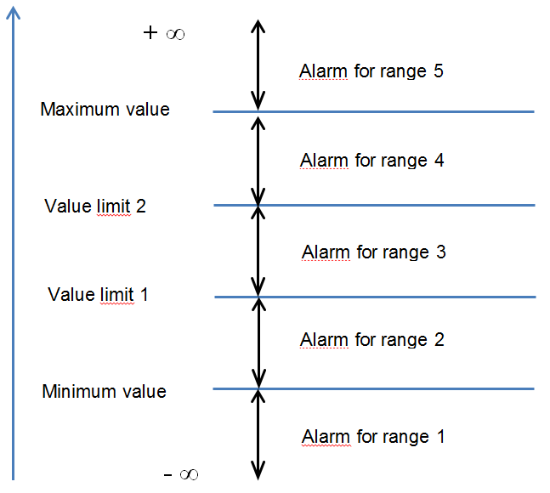
 | Limit 2 (optional) | Threshold in order to add range of the supervised value between min and max values
 | In the template, alarm thresholds are defined through two value limits plus a minimum value and a maximum value. As shown in the figure on the right, this defines 5 ranges for which an alarm may be defined
 | Range <i> alarm severity | Define the alarm severity for a range Severity labels are: - None for events - Min for Minor alarms - Maj for Major alarms - Crit for Critical alarms
 | Range <i> alarm label | Define the alarm label for a range
 | Dead band | Define the tolerance of variation around a threshold
 | Default value | Define the default value of the equipment point
 | Alarm label | This label will be presented to the operators on the HMI. It consists on: Equipment description (displayed in HMI): under Min value / under Max value / etc.

AO POINT
 | Unit | Give the measurement unity of the analog data
 | Range Min value | Define the minimum range of the command value
 | Range Max value | Define the maximum range of the command value
 | Output duration (ms) | Give the properties of the output signal command in ms: Nothing to fill: continuous signal XXX: temporal duration of the pulse
 | Timeout for reaction (s) | Response time between the command and the associated status modification on the equipment
 | Initial condition | Conditions to verify before sending the command
 | Final condition | Conditions to verify after the sending of the command
 | Associated return status | Return equipment status associated with the command

2-Instance List
Column Class | Column Name | Column Description

 | Revision | Identifiy the IO revision in witch the information was added , deleted or modified
 | isAComment | Specify whether the line is a comment or not
 | GBS Code | TBC
 | LBS Code (LRT) | TBC
 | LBS Code (QRC) | TBC
 | Description | Textual description or precision about the Location/sublocation of the equipment instance
 | Location | Define in a short designation the geographical location in which the equipment is based
 | Sublocation | Define in a short designation the sublocation (Subsystem / Level / Building / room) in which the equipment is based
 | Class name | Class name identical to the class name defined in the "1-Class List" tab
 | Equipment name | Give the instance name of the equipment.
 | RTU Name | Name of the concentrator (as viewed in the SCADA subsystem) for the equipment
 | PLC Name | Name of the partner PLC
 | InvalidVar1 | name of the first external variable used to invalidate this equipement (usually comStatus of the gateway or PRTU)
 | InvalidVar2 | name of the second external variable used to invalidate this equipement (usually comStatus of the gateway or PRTU)
 | InvalidVar3 | name of the third external variable used to invalidate this equipement (usually comStatus of the gateway or PRTU)
 | Remark | For variables used as Invalidation Variables, the value 0 needs to correspond to the invalidation state
 |  | i.e. Communication Status must be equal to 0 when communication is lost to invalidate associated points

 | Avalanche Condition | Syntax is <external variable name> = <value> - external variable that is used to identify avalanche condition - value considered for the avalanche condition
 | Example: | deiPWRTPSTPS16_PowerStatus = 0

